Hedhja e pjerrët
$$∡$$
$$v_{0}$$
$$\sin{α}$$
$$y_{max}=\frac{v_{0}^{2}{Sinα}^{2}}{2g}$$
$$\frac{m}{s}$$
ymax ne kuader te kendit
 | ymax
30 | 0.062
45 | 0.117
60 | 0.408
70 | 0.209
80 | 0.23
90 | 0.248
$$\frac{m}{s}$$
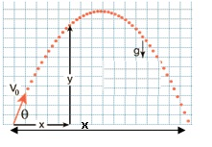
 |  |  |  | Hedhja e pjerrët
30° | 2.21 | 0.5 | 0.062m
45° | 2.15 | 0.707 | 0.117m
$$\frac{m}{s}$$
60° | 3.27 | 0.86 | 0.408m
$$\frac{m}{s}$$
70° | 2.16 | 0.93 | 0.209m
$$\frac{m}{s}$$
80° | 2.16 | 0.98 | 0.23m
$$\frac{m}{s}$$
90° | 2.21 | 1 | 0.248m

Ligji i Hukut
$$Δl=\left(l_{1}−l_{0}\right) (mm)$$
$$Δl (m)$$
$$F=mg$$
$$k=\frac{F}{Δl}$$
$$E=\frac{1}{k}$$
m (g) | m (kg) | l0 (mm) | l (mm) |  |  |  |  |  | Ligji i Hukut
10g | 0.01 | 156mm | 186mm | 30mm | 0.03m | 0.09 | 3 | 0.33
20g | 0.02 |  | 215mm | 59mm | 0.059m | 0.19 | 3.22 | 0.31
$$k_{m}= \frac{\sum_{i=1}{k_{i}}}{n}=\frac{25.56}{8}=3.195$$
30g | 0.03 |  | 245mm | 89mm | 0.089m | 0.29 | 3.25 | 0.3
40g | 0.04 |  | 276mm | 120mm | 0.12m | 0.39 | 3.25 | 0.3
$$Δk=\left(k_{max}−k_{m}\right)=0.055$$
50g | 0.05 |  | 308mm | 152mm | 0.152m | 0.49 | 3.22 | 0.31
60g | 0.06 |  | 340mm | 184mm | 0.184m | 0.58 | 3.15 | 0.31
$$δ=\frac{Δk}{k_{m}}=0.017$$
70g | 0.07 |  | 367mm | 211mm | 0.211m | 0.68 | 3.22 | 0.31
120g | 0.12 |  | 516mm | 360mm | 0.36m | 1.17 | 3.25 | 0.3

l (mm) ne kuader te m (g)
 | l (mm)
10 | 186
20 | 215
30 | 245
40 | 276
50 | 308
60 | 340
70 | 367
120 | 516

Mikrometri
$$a_{m}=\frac{a_{1}+a_{2}+a_{3}}{3}$$
$$Δa=(a_{max}−a_{m})$$
Nr. | k | n | a
1 | 10 | 6 | 10.12 | 10.3 | 0.14
2 | 10 | 18 | 10.36
3 | 10 | 22 | 10.44

$$a(m)$$
V$(m^{3})$
$$ρ=m∗V$$
$$δ= ρ∗g$$
$$\frac{N}{m^{3}}$$
$$\frac{kg}{m^{3}}$$
$$\frac{N}{m^{3}}$$
$$\frac{kg}{m^{3}}$$
$$\frac{N}{m^{3}}$$
Trupat | m(g)
Druri | 1 | 0,01186 | 1.66822 | 1.66822 |  | 16.365
Goma | 2 | 0,01187 | 1.66822 | 3.33644 |  | 32.73
$$\frac{kg}{m^{3}}$$
$$\frac{N}{m^{3}}$$
$$\frac{N}{m^{3}}$$
Bakri | 10 | 0,01188 | 1.66822 | 16.6822 |  | 163.65
$$\frac{kg}{m^{3}}$$
$$\frac{N}{m^{3}}$$
$$\frac{N}{m^{3}}$$
Alumini | 3 | 0,01189 | 1.66822 | 5.00466 |  | 49.095
$$\frac{kg}{m^{3}}$$
$$\frac{N}{m^{3}}$$
$$\frac{N}{m^{3}}$$
Zinku | 7 | 0,01190 | 1.66822 | 11.67754 |  | 144.55
$$\frac{kg}{m^{3}}$$
$$\frac{N}{m^{3}}$$
$$\frac{N}{m^{3}}$$
Hekuri | 7 | 0,01191 | 1.66822 | 11.67754 |  | 114.56
$$\frac{kg}{m^{3}}$$
$$\frac{N}{m^{3}}$$
$$\frac{N}{m^{3}}$$
Çeliku | 9 | 0,01192 | 1.66822 | 15.01398 |  | 147.28
$$\frac{kg}{m^{3}}$$
Plumbi | 12 | 0,01193 | 1.66822 | 20.01864 |  | 196.38
$$a_{2}=\left(10+\frac{18}{50}\right)=10.36$$
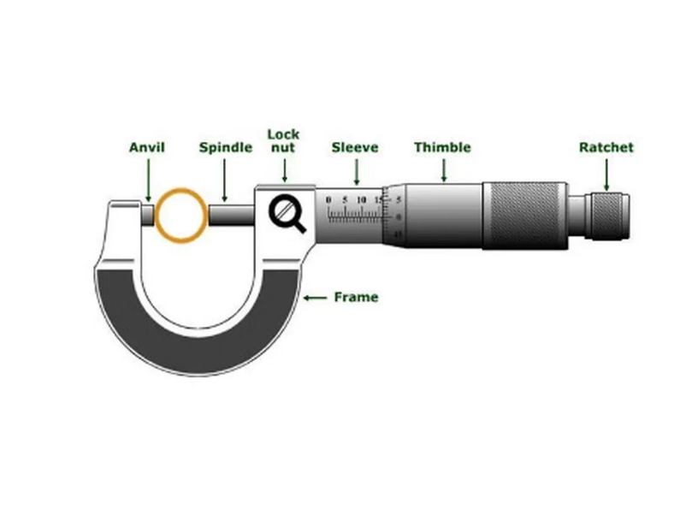
$$a=\left(k+\frac{n}{m}\right), m=50$$
$$a_{1}=\left(10+\frac{6}{50}\right)=10.12$$
$$a_{3}=\left(10+\frac{22}{50}\right)=10.44$$

$$a_{m}=\frac{a_{1}+a_{2}+a_{3}}{3}= \frac{10.12+10.36+10.44}{3}=10.3$$

$$Δa=\left(a_{max}−a_{m}\right)=10.44−10.3=0.14$$

Ekuivalenti mekanik i nxehtësis
Ekuivalenti mekanik i nxehtësisë

 |  | Llogaritja e rrezeve
$$r_{1}=\frac{d_{1}}{2}=\frac{45mm}{2}=22.5mm$$
$$r_{2}=\frac{d_{2}}{2}=\frac{49mm}{2}=24.5mm$$
Masa e ngarkesës (m) | 5kg
Nr. i rrotullimeve (n) | 200
Temp. fillestare (T1) | 299.5K (26.4C°)
$$r=\frac{r_{1}+r_{2}}{2}= \frac{47mm}{2}=23.5mm$$
Temp. pas rrotullimit (T2) | 304K (30.8C°)
Ndryshimi i temperaturës (ΔT) | 4.5K
Përshpejtimi i gravitetit (g) | 9.81 (m/s^2)
Kapaciteti termik (Ctot) | 265 J/K
$$F_{D}=7N$$
$$F_{G}=m∗g=5kg∗9.81\frac{m}{s^{2}}=49.05N$$
 |  | Llogaritjet e fundit
$F_{R}=F_{G}$ - $F_{D}=42.05N$
$$ΔQ= C_{Tot}∗ΔT=254 \frac{J}{K} ∗4.5K=1143J$$

$$W=2∗π∗r∗F_{R}=2∗3.14∗23.5∗{10}^{−3}m ∗200∗42.05N=1241.1478$$

$$\frac{W}{ΔQ}≈1$$

Termokapaciteti specifik
$$C_{2}=\frac{\left(C+C_{1}m_{1}\right)∗(T_{1}−T_{m})}{m_{2}(T_{m}−T_{2})}$$
Termokapaciteti specifik
 |  | Hekur |  | Alumin |  | Zink dhe Bakër
 |  | T1 | 23.5 | T1 | 21.39 | T1 | 22.77
 |  | Tm | 29.79 | Tm | 29.78 | Tm | 28.14
$$C_{2}=0.457\frac{J}{gK}$$
$$C_{2}=0.609\frac{J}{gK}$$
$$C_{2}=0.381\frac{J}{gK}$$

Termokapactieti i kaliometrit (C) | 80 J/K
Masa e ujit në kaliometër (m1) | 200g
Uji i vluar (T2) | 100 °C
Termokapaciteti specifik i ujit (C1) | 4.19 J/gK
Masa e metalit | 180g

Rënia e lirë
$$g=\frac{2h}{t^{2}}$$
h (mm) | h (m) | t (s) |  | Rënia e lirë
900 | 0.9 | 0.402 | 11.138
850 | 0.85 | 0.388 | 11.29
$$g=\frac{2h}{t^{2}}=\frac{2∗0.9}{{0.402}^{2}}=\frac{1.8}{0.1616}=11.138$$
800 | 0.8 | 0.372 | 11.56
750 | 0.75 | 0.362 | 11.44
700 | 0.7 | 0.347 | 11.6
Lartesia ne varesi te kohes
600 | 0.6 | 0.318 | 11.89

Nuniusi
$$L_{m}=\frac{L_{1}+L_{2}+L_{3}}{3}$$
$$ΔL=L_{max}−L_{n}$$
$$\frac{ΔL}{L_{m}}∗100\%$$
Nr. i matjeve | k | n | L |  |  |  | Matja e kubit me nunius
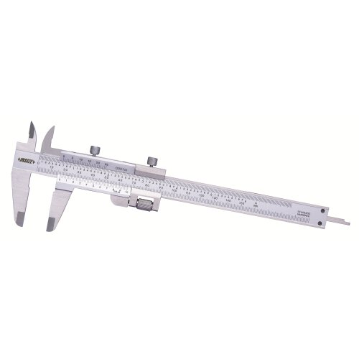
1 | 24 | 1.5 | 24 | 24.23 | 0.97 | 0.04%
2 | 25 | 4 | 25.2
3 | 23 | 10 | 23.5

$$V=a^{3}={(24.23mm)}^{3}=14225.261mm^{3}$$
$$S=6∗a^{2}=6∗{\left(24.23mm\right)}^{2}=3522.54mm^{2}$$

